1. EDR Rating Upload
Global Talent Category Import to Comp Plan
Once Comp Plans have been launched the most current EDR ratings will need to be imported for all EDR eligible Level 7+ associates.
This step needs to be completed prior to HRBPs receiving Comp Plans for merit planning.

1 | Obtain a file of current EDR ratings from Talent Management (Ludy/Shani)
2 | Create a CSV file for upload with the below headers and information

 | EDR loaded for all active associates. Status must be ACTIVE |  | Global Talent Category provided by Talent Mgmt Team

 | STATUS | USERID | GTC
 | STATUS | USERID | GTC
 | ACTIVE | 012345 | Talent To Watch
 | ACTIVE | 012346 | Talented Expert

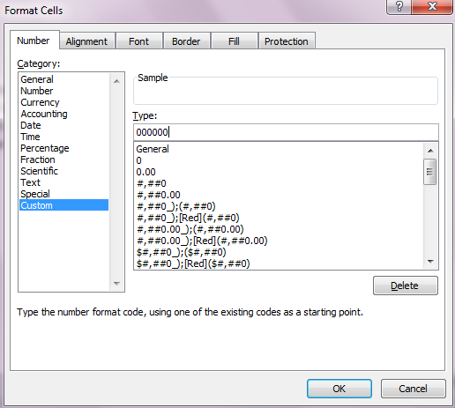
 |  | Ensure 6 digit emplid is under the USERID column. Use the custom format feature in excel by right clicking the column and formatting cells as shown to the right.

3 | Next go to Admin Center>Update User Information>Associate Import

4 | Upload your csv file and select Update Compensation Forms, Applicable Year's Comp Plan, the below selections and then the Import User File button
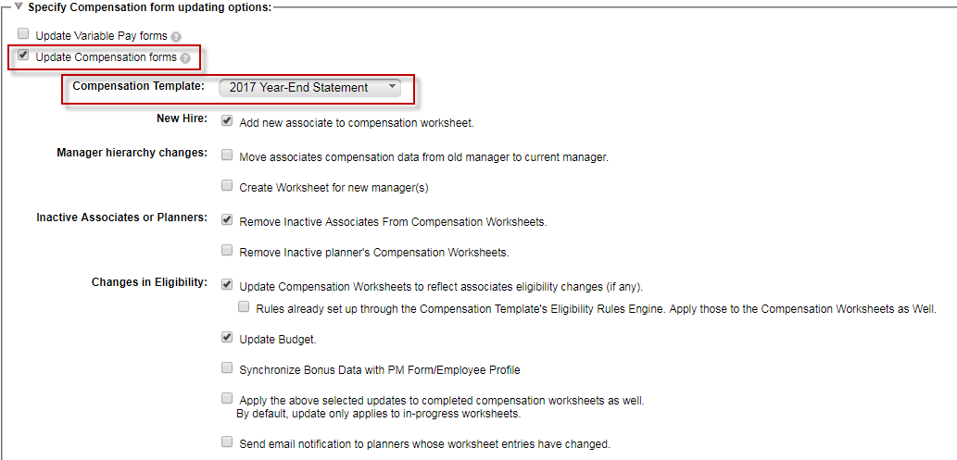

5 | Your data will then be uploaded to the applicable year's comp plan in the next few minutes and you will be able to query out the data using exports
 | *Information can be changed if needed by doing another upload for the associate. However, uploads to comp plans cannot be done if the Comp Plan is on the Completed step.

3. Exporting Comp Plan
Exporting Comp Plan Data

1 | Go to the Comp Plan you want to export data for (or Go to CEO/Dick Johnson's Comp Plan to Export ALL Data)
2 | Once in the Comp Plan click on the Detailed Report icon on the top right-hand side

3 | In the pop-up window click on the Export to MS Excel button.

3 | Once you have selected to export the report, you will receive a message the report is running and you can retrieve it under Scheduled Reports

4 | To retrieve the report you just ran go to the Home dropdown and select Reporting
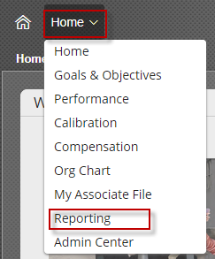

5 | Once in Reporting, select Switch to Classic View located on the right of the screen

6 | Under the Classic View, select Scheduled Reports
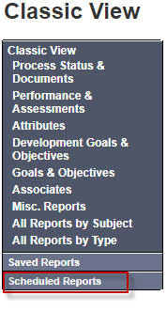

7 | From there you will be able to identify the most recent report that was run and then click the Zipped hyperlink so the report will download

8 | Once the report has downloaded, it will appear at the bottom of your screen. Open the folder and it will contain 2 excel reports:
 |  | -Compensation Roll-up Details: Person by Person details of the Comp Plan
 |  | -Compensation Roll-up: Summary of the Budget & Spend by

4. Building & Sharing Adhocs
Building Adhoc Reports
Adhoc reports are reports that can be built and shared with comp planners/hrbps in order to extract data needed from comp plan
in a simplified way vs. exporting the entire comp plan.
* Remember to save your work throughout the process

1 | Go to Home>Reporting and hit the New button
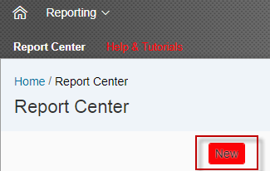

2 | Select Report-Table and hit the Select button

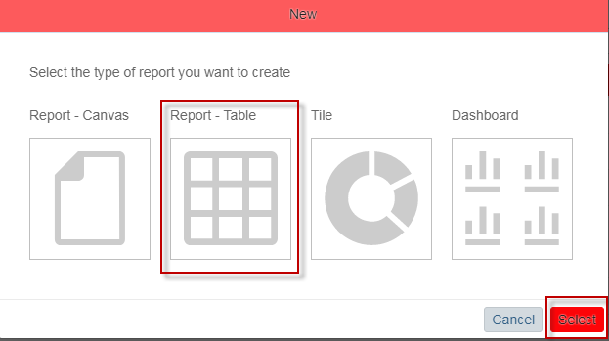

3 | Select Single Domain, Compensation Planning as the data set and hit the Select button
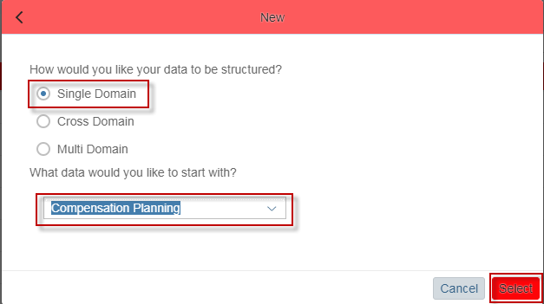

4 | Fill out General Info:
 |  | -Report Name: Label Your Report (this will be visible to users you share the report with)
 |  | -Description: Add a description of the report type
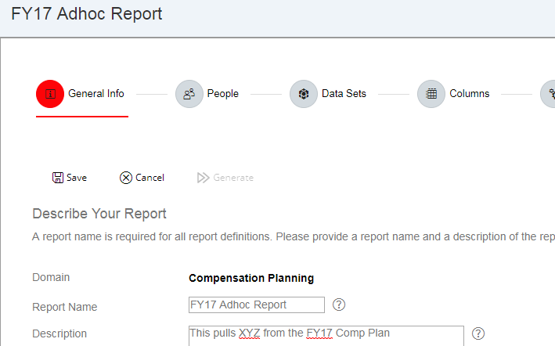

5 | Fill out People to define your population:
 |  | -Select Refine Criteria and Define Team using the below selections:
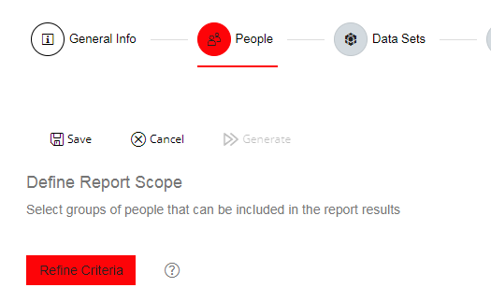
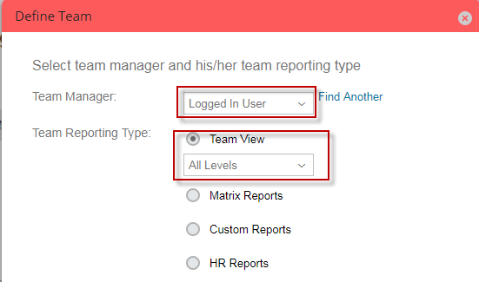

6 | Fill out Data Set to select the applicable year's Comp Plan to pull information from:
 |  | -Hit the Select Template button, choose the applicable year's Comp Plan and hit the OK button

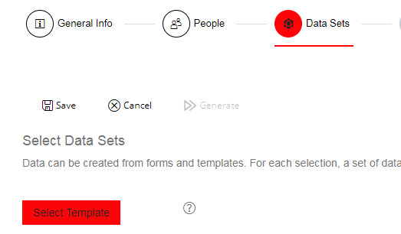
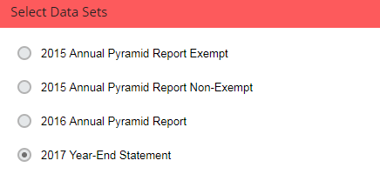

7 | Fill out Columns to pull the fields of information needed from the applicable year's Comp Plan:
 |  | -Hit the Select Columns button and check off all columns needed on the report
 |  | -Most information will be available under the Compensation Plan Entries section and hit the Done button once all are made
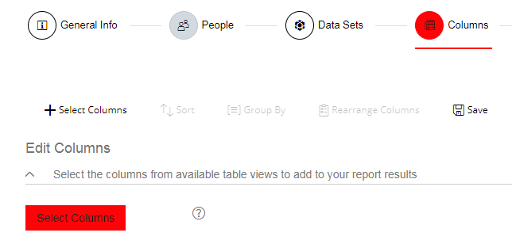
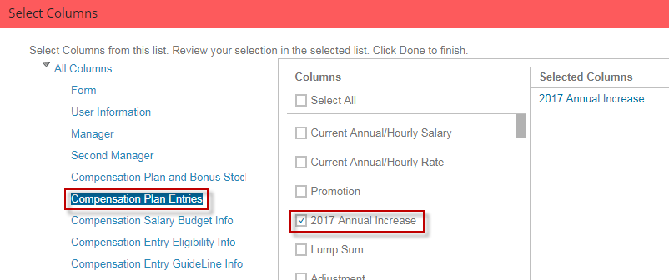

8 | Once all columns are selected you can Rearrange, Sort, etc

9 | Filter the report as needed:
 |  | -Select Refine Criteria
 |  | -Select the comp plan field you would like to filter by
 |  | -Select Add Rule, By Rule and enter the logic you want to filter on
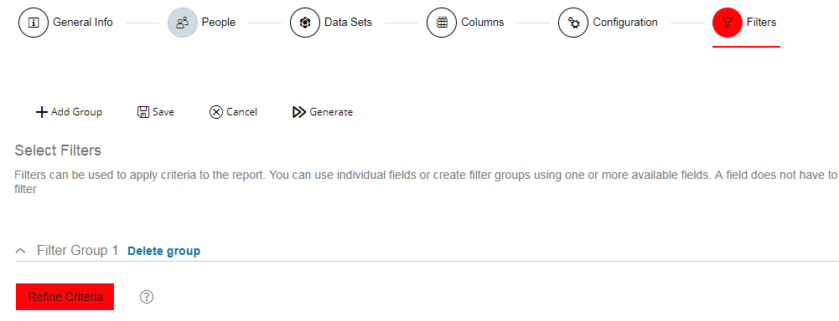

10 | Go back to the Report Center and select the Actions arrow on the righthand side
 |  | -Select Share
 |  | -Under Name click the square box to the right, search/select all users you would like to share the report with (Comp Planners)
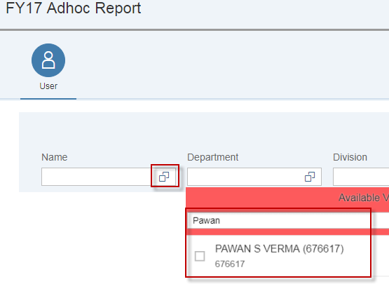
 |  | -Hit the OK button

11 | Once you have saved all users you want to share the report with, hit the Go button located on the right side of the screen and the report will be shared with selected users

12 | To remove access search for the users under Name and click the trashcan icon on the right side of the screen

13 | To run the Adhoc report you have built, click on the Actions arrow, select Run and the report will generate in excel

